Sheet1
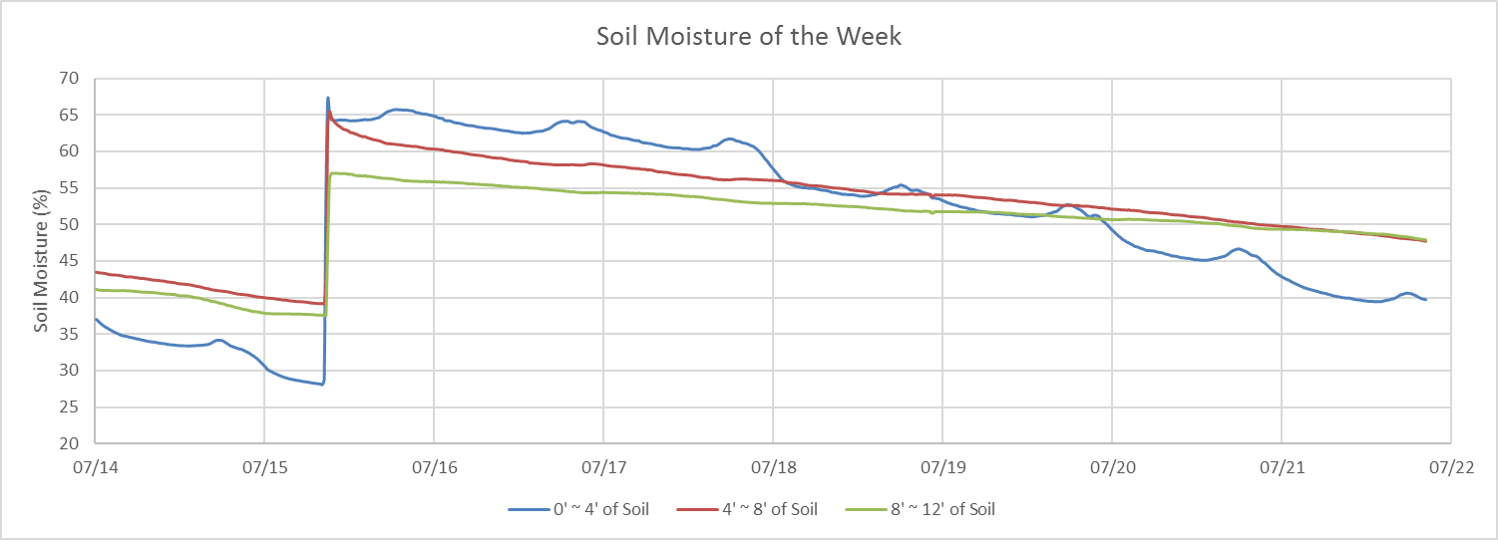
Soil Moisure Level of the Day
 | 0' to 4' of Soil | 4' to 8' of Soil | 8' to 12' of Soil
07/21/2016 | 42.776 | 49.75 | 49.362
07/21/2016 | 42.65 | 49.722 | 49.36
07/21/2016 | 42.54 | 49.719 | 49.36
07/21/2016 | 42.43 | 49.716 | 49.36
07/21/2016 | 42.316 | 49.704 | 49.352
07/21/2016 | 42.164 | 49.69 | 49.34
07/21/2016 | 42.042 | 49.668 | 49.33
07/21/2016 | 41.912 | 49.648 | 49.326
07/21/2016 | 41.824 | 49.64 | 49.32
07/21/2016 | 41.696 | 49.608 | 49.314
07/21/2016 | 41.584 | 49.564 | 49.296
07/21/2016 | 41.48 | 49.538 | 49.294
07/21/2016 | 41.372 | 49.512 | 49.292
07/21/2016 | 41.298 | 49.488 | 49.294
07/21/2016 | 41.21 | 49.448 | 49.272
07/21/2016 | 41.146 | 49.422 | 49.274
07/21/2016 | 41.076 | 49.394 | 49.252
07/21/2016 | 41.02 | 49.39 | 49.24
07/21/2016 | 40.946 | 49.358 | 49.224
07/21/2016 | 40.88 | 49.352 | 49.21
07/21/2016 | 40.822 | 49.354 | 49.206
07/21/2016 | 40.728 | 49.328 | 49.188
07/21/2016 | 40.666 | 49.32 | 49.174
07/21/2016 | 40.628 | 49.302 | 49.142
07/21/2016 | 40.58 | 49.258 | 49.128
07/21/2016 | 40.512 | 49.244 | 49.122
07/21/2016 | 40.438 | 49.236 | 49.124
07/21/2016 | 40.374 | 49.182 | 49.078
07/21/2016 | 40.302 | 49.172 | 49.072
07/21/2016 | 40.222 | 49.136 | 49.062
07/21/2016 | 40.176 | 49.118 | 49.058
07/21/2016 | 40.134 | 49.104 | 49.05
07/21/2016 | 40.104 | 49.072 | 49.038
07/21/2016 | 40.04 | 49.058 | 49.038
07/21/2016 | 39.994 | 49.036 | 49.022
07/21/2016 | 39.972 | 49.014 | 49.014
07/21/2016 | 39.944 | 48.98 | 49
07/21/2016 | 39.934 | 48.958 | 49.004
07/21/2016 | 39.912 | 48.934 | 48.996
07/21/2016 | 39.854 | 48.904 | 48.986
07/21/2016 | 39.798 | 48.904 | 48.988
07/21/2016 | 39.742 | 48.864 | 48.956
07/21/2016 | 39.704 | 48.834 | 48.938
07/21/2016 | 39.688 | 48.808 | 48.9
07/21/2016 | 39.664 | 48.788 | 48.892
07/21/2016 | 39.624 | 48.75 | 48.87
07/21/2016 | 39.578 | 48.752 | 48.834
07/21/2016 | 39.538 | 48.734 | 48.818
07/21/2016 | 39.502 | 48.726 | 48.802
07/21/2016 | 39.48 | 48.71 | 48.79
...

Soil Moisture of the Week
 | 0' ~ 4' of Soil | 4' ~ 8' of Soil | 8' ~ 12' of Soil
07/14/2016 | 37.026 | 43.518 | 41.084
07/14/2016 | 36.792 | 43.466 | 41.012
07/14/2016 | 36.558 | 43.42 | 40.982
07/14/2016 | 36.348 | 43.408 | 40.97
07/14/2016 | 36.158 | 43.39 | 40.95
07/14/2016 | 35.988 | 43.346 | 40.938
07/14/2016 | 35.864 | 43.276 | 40.938
07/14/2016 | 35.716 | 43.228 | 40.928
07/14/2016 | 35.572 | 43.182 | 40.93
07/14/2016 | 35.438 | 43.158 | 40.924
07/14/2016 | 35.318 | 43.15 | 40.928
07/14/2016 | 35.184 | 43.126 | 40.918
07/14/2016 | 35.1 | 43.124 | 40.924
07/14/2016 | 34.962 | 43.086 | 40.918
07/14/2016 | 34.87 | 43.05 | 40.906
07/14/2016 | 34.78 | 42.998 | 40.902
07/14/2016 | 34.748 | 42.932 | 40.912
07/14/2016 | 34.712 | 42.892 | 40.9
07/14/2016 | 34.648 | 42.882 | 40.88
07/14/2016 | 34.574 | 42.892 | 40.906
07/14/2016 | 34.534 | 42.868 | 40.86
07/14/2016 | 34.472 | 42.838 | 40.848
07/14/2016 | 34.42 | 42.77 | 40.802
07/14/2016 | 34.366 | 42.786 | 40.796
07/14/2016 | 34.318 | 42.714 | 40.774
07/14/2016 | 34.262 | 42.68 | 40.74
07/14/2016 | 34.202 | 42.66 | 40.718
07/14/2016 | 34.154 | 42.656 | 40.702
07/14/2016 | 34.092 | 42.604 | 40.688
07/14/2016 | 34.044 | 42.59 | 40.686
07/14/2016 | 33.998 | 42.542 | 40.672
07/14/2016 | 33.966 | 42.488 | 40.676
07/14/2016 | 33.938 | 42.452 | 40.658
07/14/2016 | 33.918 | 42.43 | 40.642
07/14/2016 | 33.872 | 42.412 | 40.61
07/14/2016 | 33.818 | 42.396 | 40.568
07/14/2016 | 33.77 | 42.378 | 40.548
07/14/2016 | 33.746 | 42.338 | 40.502
07/14/2016 | 33.71 | 42.316 | 40.492
07/14/2016 | 33.688 | 42.278 | 40.458
07/14/2016 | 33.632 | 42.21 | 40.442
07/14/2016 | 33.596 | 42.18 | 40.426
07/14/2016 | 33.572 | 42.152 | 40.414
07/14/2016 | 33.534 | 42.106 | 40.4
07/14/2016 | 33.524 | 42.102 | 40.394
07/14/2016 | 33.488 | 42.03 | 40.334
07/14/2016 | 33.462 | 41.98 | 40.27
07/14/2016 | 33.444 | 41.942 | 40.236
07/14/2016 | 33.437 | 41.923 | 40.217
07/14/2016 | 33.43 | 41.904 | 40.198
...

